Read ME
NOTES

1 | All times are in local Mountain Time
2 | Release data for each day is given in a separate tab
3 | Example Table data
 | Measurement Time Block | Round Number | Time per leak (min) | Mean Wind Direction (degrees) | Mean Wind Speed | Percentage in 40 deg cone | Cone Size (half angle) | Pad 1 | Pad 2 | Pad 3 | Pad 4 | Pad 5

 | Measurement Time Block |  | Approximate time interval for measurement in that particular round
 | Round Number |  | Round number for each day where a team stays on the same pad
 | Time per leak (min) |  | Time allotted for measurement (both detection and/or quantification)
 | Mean Wind Direction |  | Vector average wind direction for the duration of the round (10 min or 20 min)
 | Mean Wind Speed |  | Vector average wind speed for the duration of the round (10 min or 20 min)
 | Percentage in 40 degree cone |  | Fraction of total measurement time during which the instantaneous wind is within a 40 degree cone (20 degree half angle) of the mean wind direction
 | Cone Size (half angle) |  | If the 40 degree cone does not include at least 50% of instantaneous wind, we calculate the cone half angle above 20 degrees needed to include at least 50% of instantaneous wind

 | Pad 1 - 5 |  | Pad numbers based on the figure below
 |  | Information available for each pad (also see supplementary material)
 |  | L00 | No leak on current pad and no leak on any upwind pad
 |  | L01 | No leak on current pad and leak on at least one upwind pad
 |  | L11 | Leak on current pad and leak on at least one upwind pad
 |  | L10 | Leak on current pad and no leak on any upwind pad
4 | Cell Shading Guidelines
 |  | Type | Definition |  |  |  | Shading
 |  | Weak Interference | Interference considered only for those tests where the average wind speed was greater than or equal to 2 m/s. |  |  |  | Red shaded tests are discarded in weak-interference analysis
 |  | Strong Interference | Interference is considered for all tests, irrespective of average wind speed. |  |  |  | Red shaded tests are discarded in strong-interference analysis

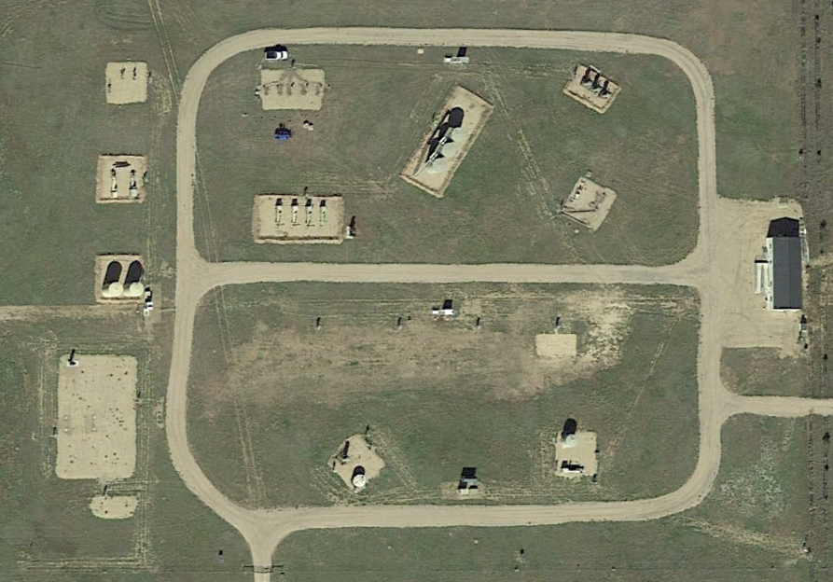
N
Pad 1
Pad 3
Pad 4
Pad 5
Staging Area
150 m
Pad 2

