Read ME
NOTES

1 | Release rates are in standard cubic feet per hour (scfh)
2 | Gas composition is approximately 87% methane ; Flow rates are given in whole gas flow rate
3 | All times are in local Mountain Time
4 | Release data for each day is given in a separate tab
5 | Example Table data
 | Measurement Time Block | Round Number | Time per leak (min) | Pad 1 | Pad 2 | Pad 3 | Pad 4 | Pad 5 | Pad 1 | Pad 2 | Pad 3 | Pad 4 | Pad 5
 |  |  |  |  |  |  |  |  | Team Locations

 | Measurement Time Block |  | Approximate time interval for measurement in that particular round
 | Round Number |  | Round number for each day where a team stays on the same pad
 | Time per leak (min) |  | Time allotted for measurement (both detection and/or quantification)
 | Pad 1 - 5 |  | Pad numbers based on the figure below
 |  | Information available for each pad
 |  | Leak rate | Emission rate in standard cubic feet per hour (scfh)
 |  | Latitude | Latitude coordinates for the emission source
 |  | Longitude | Longitude coordinate for the emission source
 |  | Equipment | Equipment group (W: well-head, S: separator, T: tank) and number (given in parenthesis as a number, identified west to east in the picture below)
 |  | Component | Emitting component
 | Team locations |  | Location of each team for the given round

6 | Day 5: All teams were given the same leak scenario across the entire facility
7 | Cell Shading Guidelines
 |  | Type | Definition |  |  | Shading of each Pad Information
 |  | Level-1 detection | Team correctly identifies equipment group and equipment number |  |  | Equipment - Green; Component - Green
 |  | Level-2 detection | Team correctly identifies equipment group but wrong equipment number |  |  | Equipment - Red; Component - Green
 |  | Level-3 detection | Team mis-identifies equipment group or does not identify any emission |  |  | Equipment - Red; Component - Red
9 | All leaks can be assumed to be steady state value, with an error of +/- 5% (upper limit)
10 | Legend (components) | K | Kimray
11 | All equipments are numbered from left to right (west to east) in scenarios where there are multiple equipment of the same group
12 | Grayed out cells refer to tests that a particular team did not participate in (other teams were on that pad)
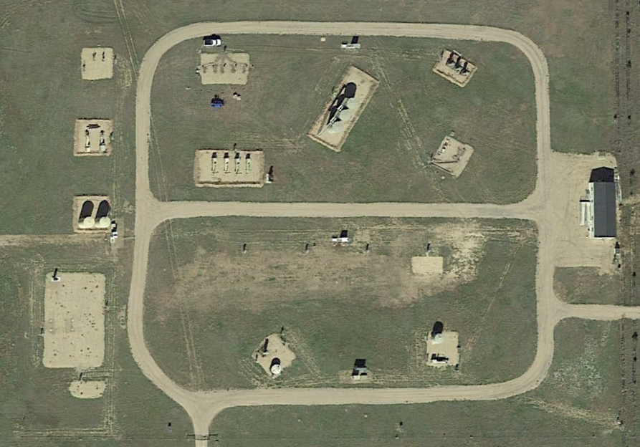
N
Pad 1
Pad 2
Pad 3
Pad 4
Staging Area
150 m

